6 Vendors
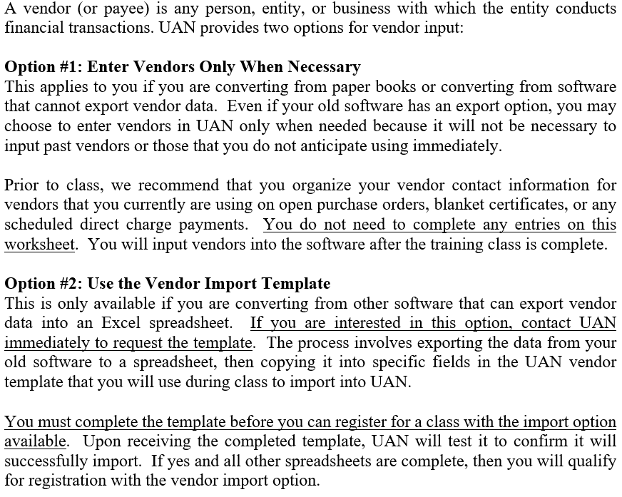
UAN Conversion Worksheet No. 6

Vendor / Payee Information
Note: there is nothing to input on this worksheet, just choose one of the options

